Graph
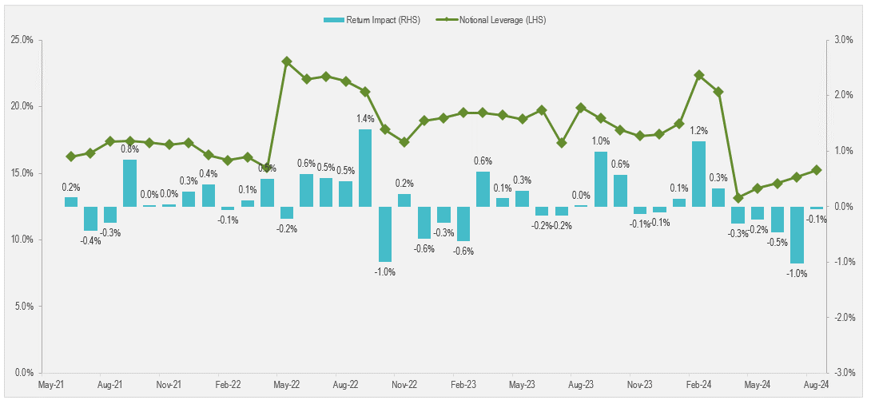
Instructions |  | Notional Leverage (LHS) | Return Impact (RHS)
Recreate the graph below using the data to the right | 2021-06-30 | 16.25% | 0.16%
 | 2021-07-31 | 16.51% | -0.43%
 | 2021-08-31 | 17.37% | -0.29%
 | 2021-09-30 | 17.40% | 0.85%
 | 2021-10-31 | 17.30% | 0.03%
 | 2021-11-30 | 17.15% | 0.04%
 | 2021-12-31 | 17.30% | 0.27%
 | 2022-01-31 | 16.36% | 0.40%
 | 2022-02-28 | 15.97% | -0.06%
 | 2022-03-31 | 16.21% | 0.11%
 | 2022-04-30 | 15.42% | 0.50%
 | 2022-05-31 | 23.36% | -0.22%
 | 2022-06-30 | 22.04% | 0.59%
 | 2022-07-31 | 22.27% | 0.51%
 | 2022-08-31 | 21.91% | 0.46%
 | 2022-09-30 | 21.12% | 1.40%
 | 2022-10-31 | 18.28% | -1.00%
 | 2022-11-30 | 17.34% | 0.23%
 | 2022-12-31 | 18.95% | -0.57%
 | 2023-01-31 | 19.15% | -0.29%
 | 2023-02-28 | 19.55% | -0.62%
 | 2023-03-31 | 19.53% | 0.64%
 | 2023-04-30 | 19.35% | 0.15%
 | 2023-05-31 | 19.05% | 0.29%
 | 2023-06-30 | 19.74% | -0.16%
 | 2023-07-31 | 17.27% | -0.16%
 | 2023-08-31 | 19.92% | 0.02%
 | 2023-09-30 | 19.11% | 0.99%
 | 2023-10-31 | 18.26% | 0.58%
 | 2023-11-30 | 17.79% | -0.13%
 | 2023-12-31 | 17.93% | -0.11%
 | 2024-01-31 | 18.72% | 0.15%
 | 2024-02-29 | 22.35% | 1.18%
 | 2024-03-31 | 21.09% | 0.33%
 | 2024-04-30 | 13.17% | -0.30%
 | 2024-05-31 | 13.87% | -0.24%
 | 2024-06-30 | 14.23% | -0.47%
 | 2024-07-31 | 14.71% | -1.02%
 | 2024-08-30 | 15.23% | -0.05%

